Cloud
Why Cloud Computing? | 1. It's Everywhere
 | 2. It's Powerful
 | 3. It makes your life easier

What is Cloud Computing? | On demand computing resources, delivered to you over Internet
 | Vmware - Cloud computing is an approach to computing that leverages the efficient pooling of an on-demand, self-managed, virtual infrastructure.

Traits of Cloud | 1. Elastic (Scale up or down quickly)
 | 2. Metered (Pay only for what you use)
 | 3. Self Service (Reduced need of IT expert)

Benefits | 1. Fast access to rsources or application you or your company needs
 | 2. Only Pay for what you use
 | 3. No capital expenditure
 | 4. Reduction of IT infrastucture and focus on business
 | 5. Potential to lower Cost
 | 6. Self Service

Risks | 1. Placing Trust in the Cloud Service Provider
 | a. Potential for data loss
 | b. Potential for slow access to your data
 | 2. Potential questions related to legal/regulatory
 | 3.Potential for loss of customization
 | 4. Potential for unknown cost

Type of Service | 1. SAAS - Software as a Service | Gmail, Salesforce, dropbox
 | 2. IAAS - Infrastructure as a Service | Asscessing Virtual machine - Hardware, OS, Virtual storage, Virtual Network,
 | 3. PAAS - Platform as a Service (For developers) | Sql Server, Web Server
 | 4. - ?AAS (Everything) as a Service | Backup as a Service, Storage as a Service

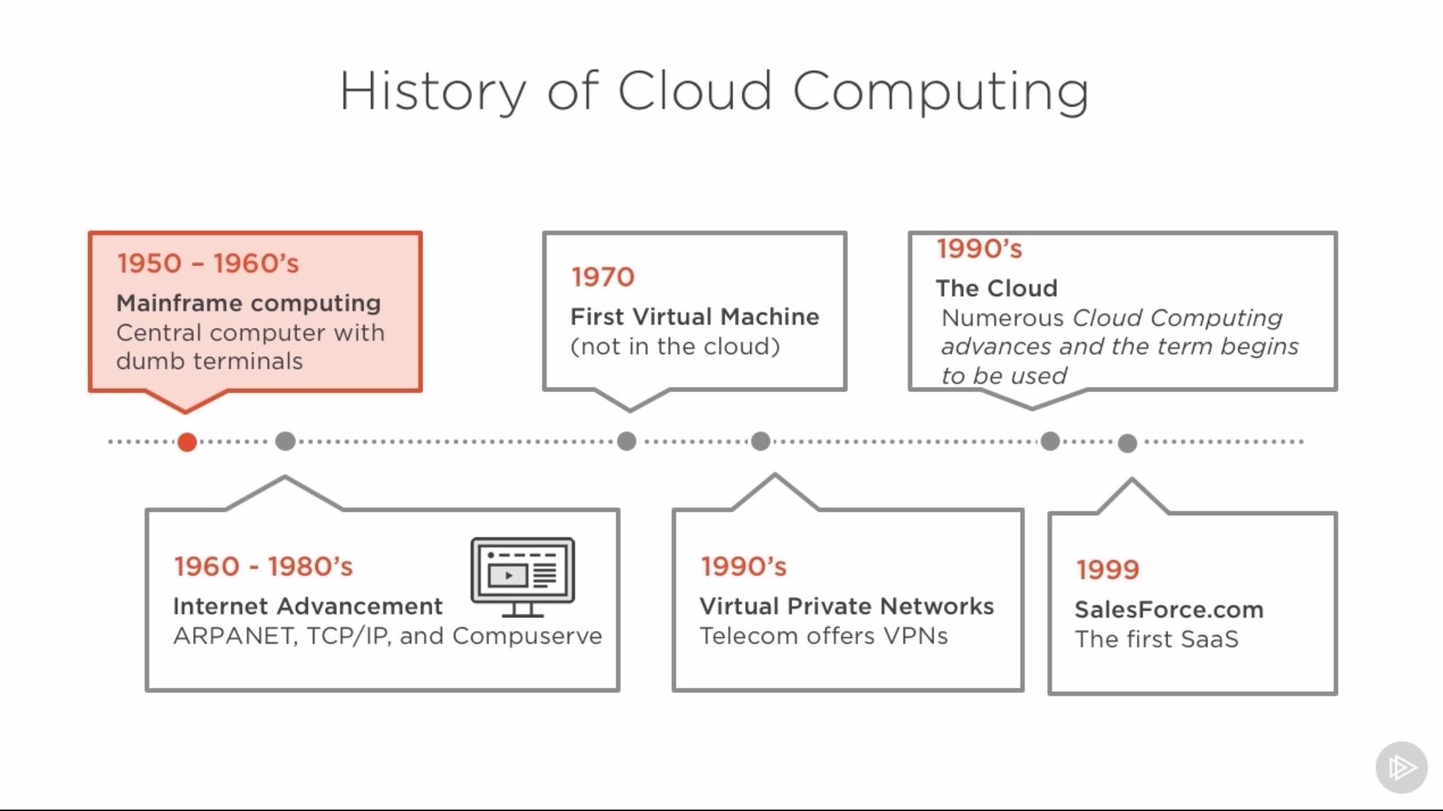
History | Cloud Computing in Past
 | 1. Centralized computing
 | 2. Grid computing
 | 3. Distributed Computing
 | 4. On-Demand Computing
 | 5. Hosting

Virtualization | the logical division of physical computing resources | Started in 1960s as a way to slice uo mainframe resources
 |  | Servers (Compute), Storage and Networks
 |  | VMware ESX server in 2001 made it popular

Container | is Operating system level virtualization where the OS kernal provides isolated user spaces to run specific applications | Linus, Unix OS - Operating system is sliced into isolated secure spaces for running specific applications. One OS unlike virtulization
 |  | Could run inside a virtual machines
 |  | Have less overhead and faster start time than Virtual Machine

Type of Cloud | 1. Private Cloud
 | 2. Public Cloud
 | 3. Hybrid Cloud

IAAS Networking | 1. Public Networking | Web browser, SSH or any other tool over Internet
 | 2. Private Networking | via VPN or, in cases, dedicated connections

VPC Networking | Private IP address networking
 | Routing
 | Network access list
 | VPN Connectivity back to your on-premisis infrastructure

IAAS Storage | 1. Inside the Virtual Machine | Each VM has stroage of it's own
 | 2.Outside the VM - External storage like block or object Storage. | AWS EBS (Elastic Block storage), dropbox, MS Onedrive, Google Drive

Object Storage | Storage for unstructured data (Pics, Video etc). AWS Simple Storage Services (S3)

PAAS Solutions | eg
 | 1. AWS Elastic Beanstalk
 | 2. MS Azure App Services
 | 3. Googlr App Engine
 | 4. Cloud Foundry
 | 5. Heroku

Executive Presence
Executive Presence | 1. Strategy | Decision making, Tough decisions
 | 2. Stakeholder Management | Influence,
 | 3. Communication | Humility, Listen, Speak slow
 | 4. Delegation

Communication | 1. Listen | Listen to understand, not to reply. what is being said and how it is being said. Make others feel Safe to Speak up
 | 2. Speak slow

Leadership | Purpose | Leaders has followers, turn vision into reality, empower others, Influence
 | One up
 | Practice - Muscle memory

 | Traits | 1. Personal integrity
 |  | 2. Communication
 |  | 3. Art of Influencing
 |  | 4. Sense of justice
 |  | 5. Domain knowledge
 |  | 6. Partner before myself
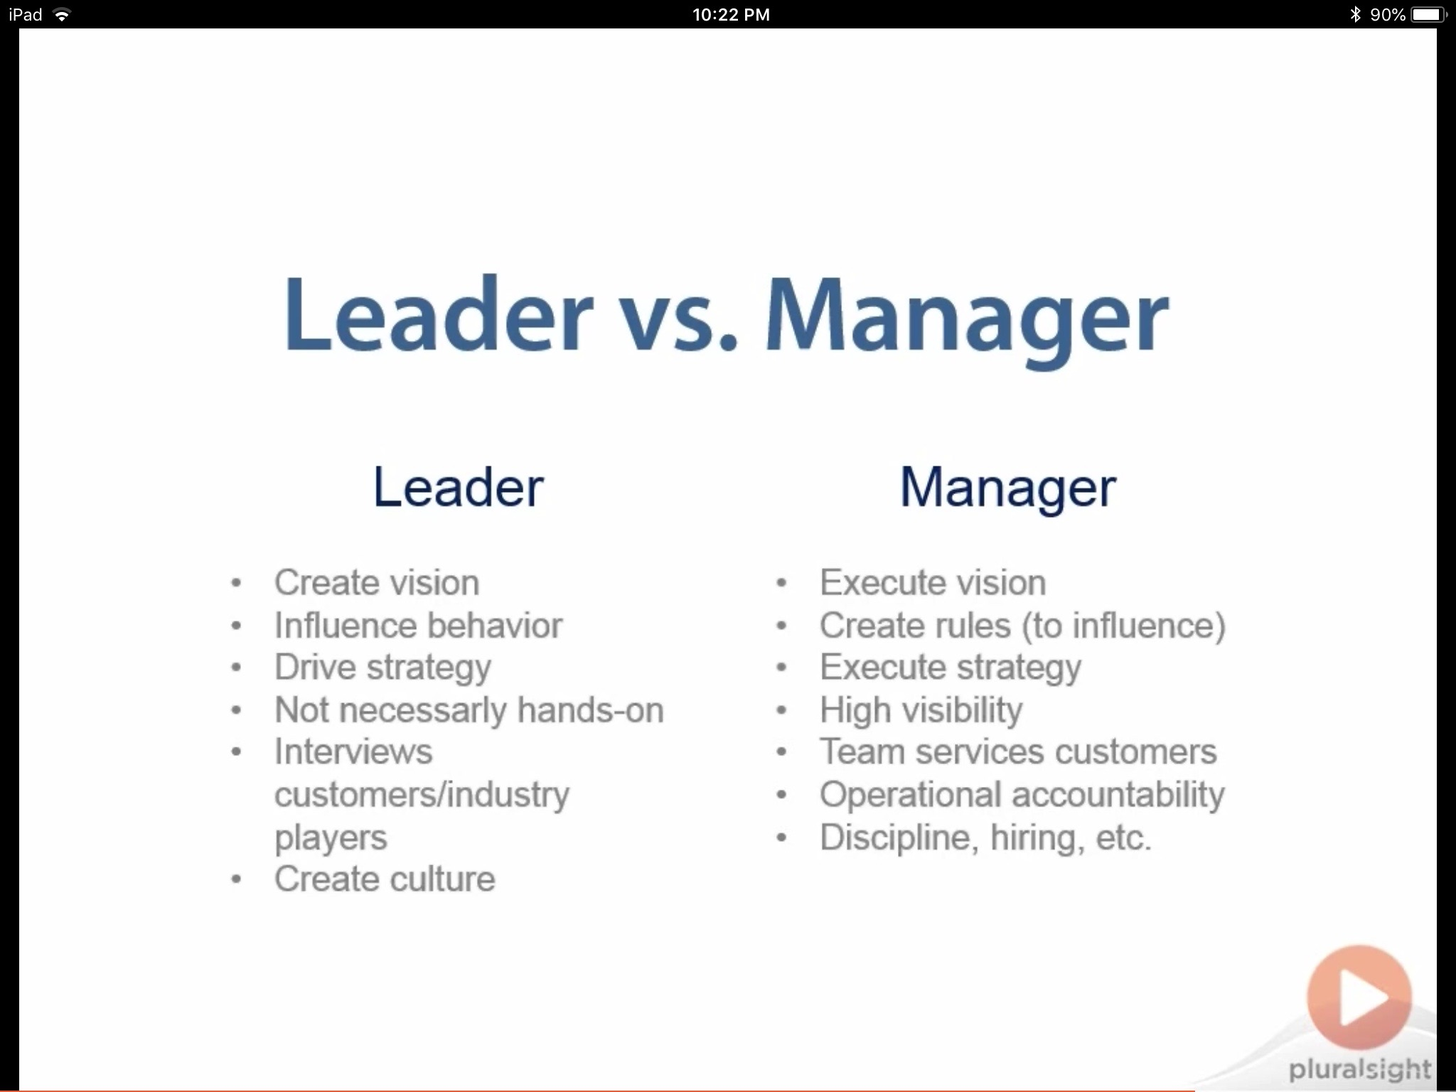

Leadership Style | Charismatic
 | Innovative
 | Command and Contol
 | Laissez-Faire
 | Pace Setter
 | Servant
 | Situational
 | Transformational

Risk
Risk Standards | ISO/IEC 31000 - Risk Management Principles and Guidelines
 | ISO/IEC 27005 - IT - Security Technique - Information Security Risk Mgmt
 | COBIT 5 for Risk
 | NIST SP800-30 - Guide for Conducting Risk Assessment
 | NIST SP800-39 Managing Information Risk Security

Risk | is defined as probability of an event and it's consequences | Often see as an adverse event
 |  | Impact assets
 |  | Exploit Vulnerability

Risk Management Life Cycle | 1. Risk Identification
 | 2. Risk Assessment
 | 3. Risk Response and Mitigation
 | 4. Risk and Control Monitoring and Reporting

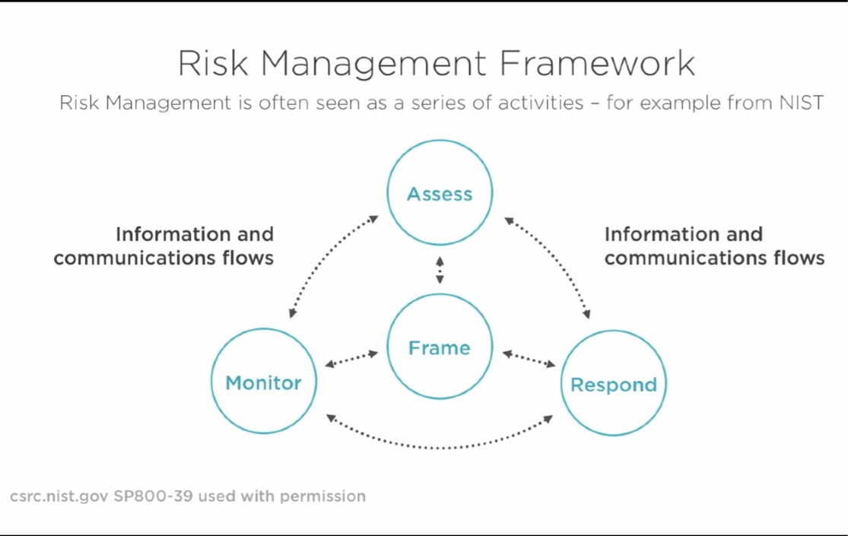
Risk Management Framework |  | Frame/Context - The external and internal parameter to be taken into account when managing Risk and setting Risk criteria

 |  | Risk Management = Protecting Assests
 |  | Don't Spend more to Protect an assest than it's worth

Risk Identification | Threat Source = Threat Agent
 | Vulnerability (That could be exploited by threat Source) | Weaknes in 1. An information System 2. System Security Procedure 3. Internal Control 4. Implementation
 | Impact (Outcome of an Event) - Moral, reputational, Financial
 | Likelihood (Chance of something happening)
 | Residual Risk (Risk that remiand after risk treatment)
 | Risk Acceptence ( Level of risk Management is willing to tolerate)

Risk Assessment | The concept of continually identifying, Prioritizing and estimating risks. | Likelihood of Occurance + Impact = Estimated potential Impact

Risk Response | 1. Accept
 | 2. Avoid
 | 3. Reduce
 | 4. Transfer of Risk

Risk Monitoring | The concept of continually
 | 1. Checking
 | 2. Supervising
 | 3. Critically Observing
 | 4. Determing the Status

Risk Governance | Governance is accountability
 | Primary responsibilty of Risk Owner

Risk Tiers | Strategic Risk
 | Tactical Risk
 | Operational Risk

